MGGP
 |  |  |  |  | Contribution of two artificial intelligence techniques in predicting the secondary compression index of fine-grained soils

 | wn | σv | e0 | Cα ×103
Train Train Train Train Train Train Train Train Train Train | 70.0 | 25.0 | 1.080 | 1.941
 | 72.2 | 43.0 | 1.060 | 2.030
 | 51.0 | 1530.0 | 0.970 | 0.159
 | 21.0 | 757.0 | 0.850 | 0.174
 | 20.0 | 798.0 | 0.850 | 0.176
 | 34.0 | 864.0 | 0.880 | 0.180
 | 17.0 | 1300.0 | 0.820 | 0.193
 | 45.0 | 745.0 | 0.930 | 0.188
 | 37.0 | 1336.0 | 0.870 | 0.232
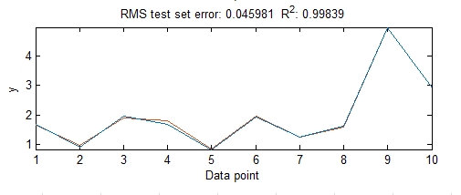
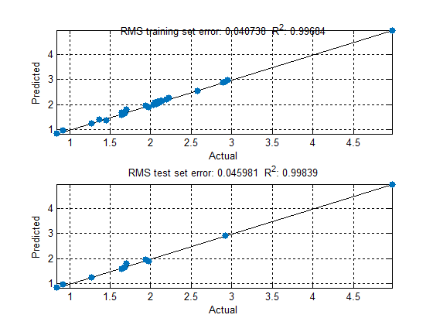
 | 27.0 | 1998.0 | 0.810 | 0.264
 | 32.0 | 1135.0 | 0.850 | 0.300
 | 12.0 | 1008.0 | 0.820 | 0.299
 | 32.0 | 1128.0 | 0.850 | 0.311
 | 37.0 | 1397.0 | 0.860 | 0.315
 | 11.0 | 1084.0 | 0.790 | 0.313
 | 48.0 | 325.0 | 0.970 | 0.347
 | 21.0 | 1171.0 | 0.810 | 0.368
 | 56.0 | 1669.0 | 0.970 | 0.382
 | 49.0 | 349.0 | 0.960 | 0.393
 | 38.0 | 462.0 | 0.890 | 0.432
 | 44.0 | 1769.0 | 0.880 | 0.442
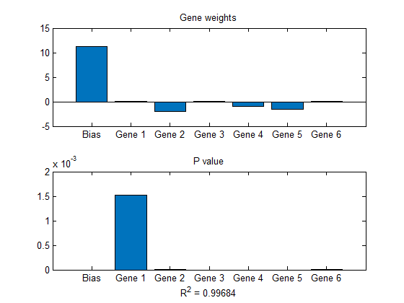
 | 21.0 | 1937.0 | 0.800 | 0.404
 | 11.0 | 920.0 | 0.780 | 0.448
 | 44.0 | 1943.0 | 0.860 | 0.482
 | 29.7 | 1616.0 | 0.790 | 0.713
 | 14.0 | 109.0 | 0.870 | 0.512
 | 56.0 | 1531.0 | 0.970 | 0.487
 | 32.0 | 751.0 | 0.840 | 0.522
 | 20.0 | 836.0 | 0.800 | 0.514
 | 58.0 | 1926.0 | 0.960 | 0.535
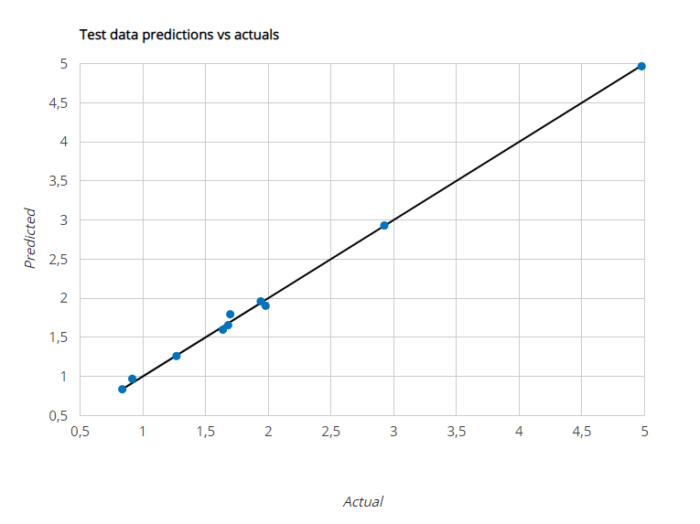
 | 30.0 | 1357.0 | 0.810 | 0.562
 | 35.0 | 450.0 | 0.850 | 0.577
 | 54.0 | 489.0 | 0.970 | 0.559
 | 30.0 | 746.0 | 0.820 | 0.598
 | 21.0 | 665.0 | 0.810 | 0.614
 | 21.0 | 999.0 | 0.790 | 0.587
 | 25.0 | 1664.0 | 0.790 | 0.586
 | 27.3 | 4023.0 | 0.760 | 0.688
 | 33.0 | 648.0 | 0.820 | 0.617
 | 41.0 | 1710.0 | 0.840 | 0.618
 | 38.0 | 371.0 | 0.860 | 0.702
 | 27.3 | 4023.0 | 0.760 | 0.688
 | 29.7 | 1606.0 | 0.790 | 0.743
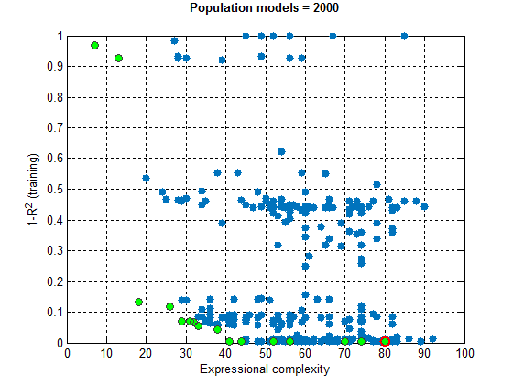
 | 27.3 | 2035.0 | 0.760 | 0.846
 | 19.0 | 1273.0 | 0.780 | 0.689
 | 29.7 | 1616.0 | 0.790 | 0.713
 | 47.0 | 710.0 | 0.880 | 0.682
 | 30.0 | 1427.0 | 0.780 | 0.716
 | 57.0 | 719.0 | 0.980 | 0.730
 | 27.3 | 2035.0 | 0.760 | 0.846
 | 27.2 | 3993.0 | 0.730 | 0.905
 | 39.0 | 1558.0 | 0.800 | 0.731
 | 59.0 | 1039.0 | 0.980 | 0.733
 | 16.0 | 391.0 | 0.790 | 0.745
 | 42.0 | 1703.0 | 0.830 | 0.773
 | 17.0 | 1778.0 | 0.750 | 0.766
 | 28.0 | 1642.0 | 0.770 | 0.780
 | 15.0 | 903.0 | 0.760 | 0.799
 | 58.0 | 1853.0 | 0.940 | 0.786
 | 37.0 | 1565.0 | 0.790 | 0.807
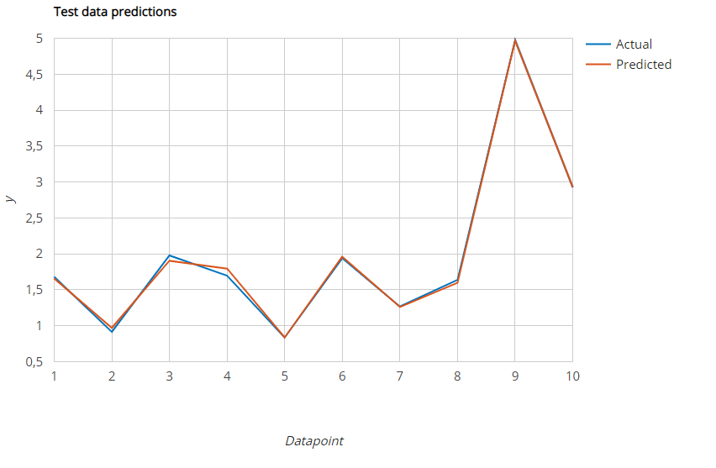
 | 37.0 | 1705.0 | 0.800 | 0.825
 | 27.3 | 2035.0 | 0.760 | 0.846
 | 29.7 | 1606.0 | 0.790 | 0.743
 | 27.3 | 4023.0 | 0.760 | 0.688
 | 17.5 | 4982.0 | 0.720 | 0.850
 | 39.0 | 384.0 | 0.850 | 0.903
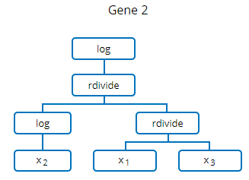
 | 40.0 | 1983.0 | 0.790 | 0.888
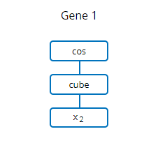
 | 27.3 | 4023.0 | 0.760 | 0.688
 | 54.0 | 1785.0 | 0.900 | 0.886
 | 27.2 | 3993.0 | 0.730 | 0.905
 | 59.0 | 881.0 | 0.960 | 0.918
 | 12.0 | 352.0 | 0.770 | 0.906
 | 23.6 | 2017.0 | 0.630 | 1.831
 | 30.0 | 1627.0 | 0.760 | 0.937
 | 21.0 | 1958.0 | 0.720 | 0.962
 | 56.0 | 1337.0 | 0.910 | 0.968
 | 58.0 | 188.0 | 1.000 | 0.978
 | 44.0 | 1152.0 | 0.820 | 0.994
 | 33.0 | 776.0 | 0.780 | 0.980
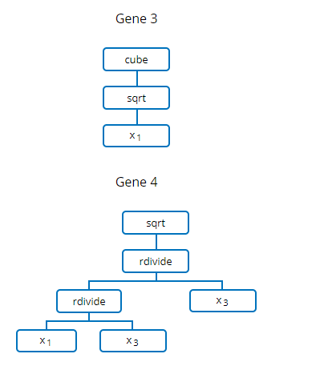
 | 30.0 | 843.0 | 0.760 | 0.996
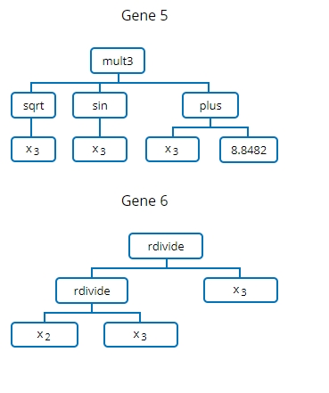
 | 47.0 | 278.0 | 0.880 | 0.995
 | 49.0 | 1533.0 | 0.840 | 1.005
 | 41.0 | 970.0 | 0.790 | 1.046
 | 36.0 | 320.0 | 0.800 | 1.052
 | 49.0 | 328.0 | 0.890 | 1.084
 | 27.3 | 795.0 | 0.760 | 0.994
 | 49.0 | 129.0 | 0.910 | 1.067
 | 51.0 | 1727.0 | 0.850 | 1.101
 | 34.0 | 1585.0 | 0.750 | 1.120
 | 27.7 | 1016.0 | 0.700 | 1.396
 | 27.3 | 397.0 | 0.760 | 1.197
 | 54.0 | 796.0 | 0.890 | 1.162
 | 23.6 | 4045.0 | 0.630 | 1.728
 | 23.0 | 1451.0 | 0.720 | 1.209
 | 34.0 | 261.0 | 0.790 | 1.192
 | 54.0 | 1604.0 | 0.870 | 1.187
 | 27.3 | 795.0 | 0.760 | 0.994
 | 27.2 | 3993.0 | 0.730 | 0.905
 | 16.2 | 4982.0 | 0.680 | 1.025
 | 15.0 | 507.0 | 0.740 | 1.222
 | 27.7 | 4045.0 | 0.700 | 1.126
 | 28.0 | 493.0 | 0.740 | 1.241
 | 23.6 | 508.0 | 0.630 | 2.327
 | 27.7 | 1000.0 | 0.700 | 1.401
 | 27.3 | 397.0 | 0.760 | 1.197
 | 15.0 | 804.0 | 0.720 | 1.239
 | 23.0 | 826.0 | 0.730 | 1.257
 | 27.7 | 1616.0 | 0.700 | 1.263
 | 61.0 | 194.0 | 0.950 | 1.623
 | 49.0 | 891.0 | 0.820 | 1.274
 | 27.7 | 1627.0 | 0.700 | 1.253
 | 48.0 | 1351.0 | 0.810 | 1.277
 | 23.6 | 4045.0 | 0.630 | 1.728
 | 27.7 | 1016.0 | 0.700 | 1.396
 | 11.0 | 1184.0 | 0.680 | 1.289
 | 42.0 | 179.0 | 0.840 | 1.305
 | 27.3 | 195.0 | 0.760 | 1.401
 | 23.6 | 508.0 | 0.630 | 2.327
 | 14.0 | 627.0 | 0.700 | 1.396
 | 40.0 | 1403.0 | 0.750 | 1.390
 | 45.0 | 381.0 | 0.820 | 1.429
 | 66.8 | 189.0 | 1.000 | 1.691
 | 41.0 | 1203.0 | 0.750 | 1.493
 | 29.0 | 1988.0 | 0.690 | 1.491
 | 53.0 | 1069.0 | 0.830 | 1.528
 | 43.0 | 824.0 | 0.760 | 1.554
 | 27.7 | 1627.0 | 0.700 | 1.253
 | 27.3 | 195.0 | 0.760 | 1.401
 | 36.0 | 513.0 | 0.740 | 1.607
 | 27.7 | 4045.0 | 0.700 | 1.126
 | 61.0 | 194.0 | 0.950 | 1.623
 | 62.0 | 236.0 | 0.950 | 1.681
 | 39.0 | 299.0 | 0.760 | 1.620
 | 23.6 | 1005.0 | 0.630 | 1.991
 | 23.6 | 2017.0 | 0.630 | 1.831
 | 27.7 | 1000.0 | 0.700 | 1.401
 | 66.8 | 189.0 | 1.000 | 1.691
 | 14.0 | 1868.0 | 0.630 | 1.683
 | 67.6 | 85.0 | 1.020 | 1.690
 | 68.2 | 92.0 | 1.070 | 1.671
 | 23.6 | 1005.0 | 0.630 | 1.991
 | 68.6 | 98.0 | 1.020 | 1.744
 | 69.0 | 221.0 | 1.020 | 1.689
 | 46.0 | 1903.0 | 0.750 | 1.680
 | 33.0 | 483.0 | 0.710 | 1.698
 | 11.0 | 529.0 | 0.660 | 1.785
 | 32.0 | 1518.0 | 0.660 | 1.807
 | 42.0 | 1891.0 | 0.700 | 1.836
 | 35.0 | 549.0 | 0.700 | 1.815
 | 19.0 | 1489.0 | 0.620 | 1.843
 | 27.7 | 509.0 | 0.700 | 1.745
 | 28.9 | 500.0 | 0.740 | 1.735
 | 26.4 | 510.0 | 0.810 | 1.741
 | 27.1 | 520.0 | 0.700 | 1.756
 | 10.0 | 454.0 | 0.630 | 1.867
 | 23.6 | 3179.0 | 0.630 | 1.714
 | 36.0 | 737.0 | 0.670 | 1.942
 | 70.0 | 163.0 | 1.000 | 1.973
 | 72.0 | 161.0 | 0.960 | 1.970
 | 18.0 | 1817.0 | 0.610 | 1.942
 | 29.0 | 1894.0 | 0.630 | 1.975
 | 70.5 | 75.0 | 1.040 | 1.983
 | 73.0 | 71.0 | 1.010 | 1.979
 | 14.0 | 1787.0 | 0.610 | 1.973
 | 70.5 | 50.0 | 1.060 | 1.954
 | 37.0 | 195.0 | 0.720 | 2.035
 | 23.6 | 1606.0 | 0.630 | 1.920
 | 21.2 | 1520.0 | 0.610 | 1.940
 | 48.0 | 1890.0 | 0.700 | 2.049
 | 40.0 | 1696.0 | 0.670 | 2.073
 | 33.0 | 1312.0 | 0.630 | 2.081
 | 36.0 | 1292.0 | 0.660 | 2.075
 | 51.0 | 897.0 | 0.760 | 2.097
 | 23.6 | 3179.0 | 0.630 | 1.714
 | 23.6 | 202.0 | 0.630 | 2.581
 | 18.0 | 1562.0 | 0.610 | 2.106
 | 41.0 | 745.0 | 0.680 | 2.125
 | 26.0 | 500.0 | 0.720 | 1.447
 | 27.2 | 503.0 | 0.730 | 1.437
 | 46.0 | 940.0 | 0.710 | 2.116
 | 18.0 | 1720.0 | 0.600 | 2.137
 | 79.0 | 194.0 | 1.060 | 2.196
 | 26.5 | 790.0 | 0.720 | 1.370
 | 23.6 | 202.0 | 0.630 | 2.581
 | 26.5 | 790.0 | 0.720 | 1.370
 | 23.6 | 1015.0 | 0.630 | 2.034
 | 27.2 | 200.0 | 0.730 | 1.642
 | 29.2 | 265.0 | 0.780 | 1.640
 | 79.9 | 242.0 | 0.990 | 2.896
 | 80.8 | 262.0 | 0.990 | 2.952
 | 24.2 | 401.0 | 0.660 | 2.201
 | 23.6 | 405.0 | 0.630 | 2.221
Test | 66.8 | 189.0 | 1.000 | 1.680
 | 27.2 | 3993.0 | 0.730 | 0.916
 | 70.5 | 75.0 | 1.040 | 1.979
 | 67.6 | 85.0 | 1.020 | 1.697
 | 27.3 | 2035.0 | 0.755 | 0.836
 | 70.0 | 163.0 | 1.000 | 1.940
 | 27.7 | 1617.0 | 0.700 | 1.269
 | 61.0 | 194.0 | 0.950 | 1.638
 | 93.6 | 2000.0 | 0.843 | 4.976
 | 79.9 | 242.0 | 0.990 | 2.925

NN-PSO
 |  |  |  |  | Contribution of two artificial intelligence techniques in predicting the secondary compression index of fine-grained soils

 | wn | σv | e0 | Cα ×103 | Formule normalisation |  |  |  |  |  | minX | 0.076 |  | min Xts | 15.5 | 3.772944 | 0.625 | 6.03 | 0.97
Train Train Train Train Train Train Train Train Train Train | 70.0 | 25.0 | 1.080 | 1.941 |  |  |  |  |  |  | MaxX | 15 |  | max Xts | 211.5 | 16161.804924 | 3.525 | 12.87 | 3.1
 | 72.2 | 43.0 | 1.060 | 2.030 | xN = (((x - MinX) / (MaxX - MinX)) * 2 )- 1; |  |  |  |  |  |  |  |  | 116 | 5 | 14 | 60 | 121 | 20 | 94
 | 51.0 | 1530.0 | 0.970 | 0.159
 | 21.0 | 757.0 | 0.850 | 0.174 | Yts | Sim Ytr | Yts Or | Sim Ytr Or | Erreur |  | Xts |  |  |  |  | Xts org
 | 20.0 | 798.0 | 0.850 | 0.176 |  |  |  |  |  |  | W0 | SIG V | e 0 | W1 | SIG V | e 1
 | 34.0 | 864.0 | 0.880 | 0.180 | -0.78504968153 | -0.77412497738 | 1.6799592764 | 1.7614794188 | 0.081520142359 | 5 | -0.47653061224 | -0.97702783901 | -0.74137931034 | 66.8 | 189.3654 | 1
 | 17.0 | 1300.0 | 0.820 | 0.193 | -0.88743132202 | -0.90281188131 | 0.91598747508 | 0.80121774166 | 0.11476973342 | 12 | -0.8806122449 | -0.5061901189 | -0.9275862069 | 27.2 | 3993.2708694 | 0.73
 | 45.0 | 745.0 | 0.930 | 0.188 | -0.74500667516 | -0.73788904079 | 1.97876019 | 2.0318719776 | 0.053111787661 | 20 | -0.4387755102 | -0.99113282409 | -0.71379310345 | 70.5 | 75.411 | 1.04
 | 37.0 | 1336.0 | 0.870 | 0.232 | -0.78279826752 | -0.76235709072 | 1.6967593278 | 1.8492913891 | 0.15253206128 | 25 | -0.46836734694 | -0.98988826658 | -0.7275862069 | 67.6 | 85.4658 | 1.02
 | 27.0 | 1998.0 | 0.810 | 0.264 | -0.89808917197 | -0.90446299898 | 0.83645859873 | 0.78889710161 | 0.047561497118 | 42 | -0.87959183673 | -0.74862634973 | -0.91034482759 | 27.3 | 2034.624684 | 0.755
 | 32.0 | 1135.0 | 0.850 | 0.300 | -0.75020636943 | -0.73876523785 | 1.9399600713 | 2.0253337951 | 0.085373723791 | 60 | -0.44387755102 | -0.98029450614 | -0.74137931034 | 70 | 162.973944 | 1
 | 12.0 | 1008.0 | 0.820 | 0.299 | -0.92190788733 | -0.90532704237 | 0.65872334476 | 0.78244960983 | 0.12372626507 | 70 | -0.87551020408 | 1 | -0.94827586207 | 27.7 | 16161.804924 | 0.7
 | 32.0 | 1128.0 | 0.850 | 0.311 | -0.79067821656 | -0.8033623328 | 1.637959148 | 1.5433102726 | 0.094648875383 | 83 | -0.53571428571 | -0.97640556025 | -0.77586206897 | 61 | 194.3928 | 0.95
 | 37.0 | 1397.0 | 0.860 | 0.315 | -0.34333029299 | -0.36271762988 | 4.9760693537 | 4.8314010458 | 0.14466830785 | 94 | -0.20306122449 | -0.75291210483 | -0.84965517241 | 93.6 | 2000 | 0.843
 | 11.0 | 1084.0 | 0.790 | 0.313 | -0.61816361783 | -0.60448619616 | 2.9252630837 | 3.0273240043 | 0.10206092053 | 101 | -0.34285714286 | -0.97049391209 | -0.74827586207 | 79.9 | 242.1531 | 0.99
 | 48.0 | 325.0 | 0.970 | 0.347
 | 21.0 | 1171.0 | 0.810 | 0.368
 | 56.0 | 1669.0 | 0.970 | 0.382
 | 49.0 | 349.0 | 0.960 | 0.393
 | 38.0 | 462.0 | 0.890 | 0.432
 | 44.0 | 1769.0 | 0.880 | 0.442
 |  | exponotiel
1.6799592764 | 1.7614794188
0.91598747508 | 0.80121774166
1.97876019 | 2.0318719776
1.6967593278 | 1.8492913891
0.83645859873 | 0.78889710161
1.9399600713 | 2.0253337951
0.65872334476 | 0.78244960983
1.637959148 | 1.5433102726
4.9760693537 | 4.8314010458
2.9252630837 | 3.0273240043
 | 21.0 | 1937.0 | 0.800 | 0.404
 | 11.0 | 920.0 | 0.780 | 0.448
 | 44.0 | 1943.0 | 0.860 | 0.482
 | 29.7 | 1616.0 | 0.790 | 0.713
 | 14.0 | 109.0 | 0.870 | 0.512
 | 56.0 | 1531.0 | 0.970 | 0.487
 | 32.0 | 751.0 | 0.840 | 0.522
 | 20.0 | 836.0 | 0.800 | 0.514
 | 58.0 | 1926.0 | 0.960 | 0.535
 | 30.0 | 1357.0 | 0.810 | 0.562
 | 35.0 | 450.0 | 0.850 | 0.577
 | 54.0 | 489.0 | 0.970 | 0.559
 | 30.0 | 746.0 | 0.820 | 0.598
 | 21.0 | 665.0 | 0.810 | 0.614
 | 21.0 | 999.0 | 0.790 | 0.587
 | 25.0 | 1664.0 | 0.790 | 0.586
 | 27.3 | 4023.0 | 0.760 | 0.688
 | 33.0 | 648.0 | 0.820 | 0.617
 | 41.0 | 1710.0 | 0.840 | 0.618
 | 38.0 | 371.0 | 0.860 | 0.702
 | 27.3 | 4023.0 | 0.760 | 0.688
 | 29.7 | 1606.0 | 0.790 | 0.743
 | 27.3 | 2035.0 | 0.760 | 0.846
 | 19.0 | 1273.0 | 0.780 | 0.689
 | 29.7 | 1616.0 | 0.790 | 0.713
 | 47.0 | 710.0 | 0.880 | 0.682
 | 30.0 | 1427.0 | 0.780 | 0.716
 | 57.0 | 719.0 | 0.980 | 0.730
 | 27.3 | 2035.0 | 0.760 | 0.846
 | 27.2 | 3993.0 | 0.730 | 0.905
 | 39.0 | 1558.0 | 0.800 | 0.731
 | 59.0 | 1039.0 | 0.980 | 0.733
 | 16.0 | 391.0 | 0.790 | 0.745
 | 42.0 | 1703.0 | 0.830 | 0.773
 | 17.0 | 1778.0 | 0.750 | 0.766
 | 28.0 | 1642.0 | 0.770 | 0.780
 | 15.0 | 903.0 | 0.760 | 0.799
 | 58.0 | 1853.0 | 0.940 | 0.786
 | 37.0 | 1565.0 | 0.790 | 0.807
 | 37.0 | 1705.0 | 0.800 | 0.825
 | 27.3 | 2035.0 | 0.760 | 0.846
 | 29.7 | 1606.0 | 0.790 | 0.743
 | 27.3 | 4023.0 | 0.760 | 0.688
 | 17.5 | 4982.0 | 0.720 | 0.850
 | 39.0 | 384.0 | 0.850 | 0.903
 | 40.0 | 1983.0 | 0.790 | 0.888
 | 27.3 | 4023.0 | 0.760 | 0.688
 | 54.0 | 1785.0 | 0.900 | 0.886
 | 27.2 | 3993.0 | 0.730 | 0.905
 | 59.0 | 881.0 | 0.960 | 0.918
 | 12.0 | 352.0 | 0.770 | 0.906
 | 23.6 | 2017.0 | 0.630 | 1.831
 | 30.0 | 1627.0 | 0.760 | 0.937
 | 21.0 | 1958.0 | 0.720 | 0.962
 | 56.0 | 1337.0 | 0.910 | 0.968
 | 58.0 | 188.0 | 1.000 | 0.978
 | 44.0 | 1152.0 | 0.820 | 0.994
 | 33.0 | 776.0 | 0.780 | 0.980
 | 30.0 | 843.0 | 0.760 | 0.996
 | 47.0 | 278.0 | 0.880 | 0.995
 | 49.0 | 1533.0 | 0.840 | 1.005
 | 41.0 | 970.0 | 0.790 | 1.046
 | 36.0 | 320.0 | 0.800 | 1.052
 | 49.0 | 328.0 | 0.890 | 1.084
 | 27.3 | 795.0 | 0.760 | 0.994
 | 49.0 | 129.0 | 0.910 | 1.067
 | 51.0 | 1727.0 | 0.850 | 1.101
 | 34.0 | 1585.0 | 0.750 | 1.120
 | 27.7 | 1016.0 | 0.700 | 1.396
 | 27.3 | 397.0 | 0.760 | 1.197
 | 54.0 | 796.0 | 0.890 | 1.162
 | 23.6 | 4045.0 | 0.630 | 1.728
 | 23.0 | 1451.0 | 0.720 | 1.209
 | 34.0 | 261.0 | 0.790 | 1.192
 | 54.0 | 1604.0 | 0.870 | 1.187
 | 27.3 | 795.0 | 0.760 | 0.994
 | 27.2 | 3993.0 | 0.730 | 0.905
 | 16.2 | 4982.0 | 0.680 | 1.025
 | 15.0 | 507.0 | 0.740 | 1.222
 | 27.7 | 4045.0 | 0.700 | 1.126
 | 28.0 | 493.0 | 0.740 | 1.241
 | 23.6 | 508.0 | 0.630 | 2.327
 | 27.7 | 1000.0 | 0.700 | 1.401
 | 27.3 | 397.0 | 0.760 | 1.197
 | 15.0 | 804.0 | 0.720 | 1.239
 | 23.0 | 826.0 | 0.730 | 1.257
 | 27.7 | 1616.0 | 0.700 | 1.263
 | 61.0 | 194.0 | 0.950 | 1.623
 | 49.0 | 891.0 | 0.820 | 1.274
 | 27.7 | 1627.0 | 0.700 | 1.253
 | 48.0 | 1351.0 | 0.810 | 1.277
 | 23.6 | 4045.0 | 0.630 | 1.728
 | 27.7 | 1016.0 | 0.700 | 1.396
 | 11.0 | 1184.0 | 0.680 | 1.289
 | 42.0 | 179.0 | 0.840 | 1.305
 | 27.3 | 195.0 | 0.760 | 1.401
 | 23.6 | 508.0 | 0.630 | 2.327
 | 14.0 | 627.0 | 0.700 | 1.396
 | 40.0 | 1403.0 | 0.750 | 1.390
 | 45.0 | 381.0 | 0.820 | 1.429
 | 66.8 | 189.0 | 1.000 | 1.691
 | 41.0 | 1203.0 | 0.750 | 1.493
 | 29.0 | 1988.0 | 0.690 | 1.491
 | 53.0 | 1069.0 | 0.830 | 1.528
 | 43.0 | 824.0 | 0.760 | 1.554
 | 27.7 | 1627.0 | 0.700 | 1.253
 | 27.3 | 195.0 | 0.760 | 1.401
 | 36.0 | 513.0 | 0.740 | 1.607
 | 27.7 | 4045.0 | 0.700 | 1.126
 | 61.0 | 194.0 | 0.950 | 1.623
 | 62.0 | 236.0 | 0.950 | 1.681
 | 39.0 | 299.0 | 0.760 | 1.620
 | 23.6 | 1005.0 | 0.630 | 1.991
 | 23.6 | 2017.0 | 0.630 | 1.831
 | 27.7 | 1000.0 | 0.700 | 1.401
 | 66.8 | 189.0 | 1.000 | 1.691
 | 14.0 | 1868.0 | 0.630 | 1.683
 | 67.6 | 85.0 | 1.020 | 1.690
 | 68.2 | 92.0 | 1.070 | 1.671
 | 23.6 | 1005.0 | 0.630 | 1.991
 | 68.6 | 98.0 | 1.020 | 1.744
 | 69.0 | 221.0 | 1.020 | 1.689
 | 46.0 | 1903.0 | 0.750 | 1.680
 | 33.0 | 483.0 | 0.710 | 1.698
 | 11.0 | 529.0 | 0.660 | 1.785
 | 32.0 | 1518.0 | 0.660 | 1.807
 | 42.0 | 1891.0 | 0.700 | 1.836
 | 35.0 | 549.0 | 0.700 | 1.815
 | 19.0 | 1489.0 | 0.620 | 1.843
 | 27.7 | 509.0 | 0.700 | 1.745
 | 28.9 | 500.0 | 0.740 | 1.735
 | 26.4 | 510.0 | 0.810 | 1.741
 | 27.1 | 520.0 | 0.700 | 1.756
 | 10.0 | 454.0 | 0.630 | 1.867
 | 23.6 | 3179.0 | 0.630 | 1.714
 | 36.0 | 737.0 | 0.670 | 1.942
 | 70.0 | 163.0 | 1.000 | 1.973
 | 72.0 | 161.0 | 0.960 | 1.970
 | 18.0 | 1817.0 | 0.610 | 1.942
 | 29.0 | 1894.0 | 0.630 | 1.975
 | 70.5 | 75.0 | 1.040 | 1.983
 | 73.0 | 71.0 | 1.010 | 1.979
 | 14.0 | 1787.0 | 0.610 | 1.973
 | 70.5 | 50.0 | 1.060 | 1.954
 | 37.0 | 195.0 | 0.720 | 2.035
 | 23.6 | 1606.0 | 0.630 | 1.920
 | 21.2 | 1520.0 | 0.610 | 1.940
 | 48.0 | 1890.0 | 0.700 | 2.049
 | 40.0 | 1696.0 | 0.670 | 2.073
 | 33.0 | 1312.0 | 0.630 | 2.081
 | 36.0 | 1292.0 | 0.660 | 2.075
 | 51.0 | 897.0 | 0.760 | 2.097
 | 23.6 | 3179.0 | 0.630 | 1.714
 | 23.6 | 202.0 | 0.630 | 2.581
 | 18.0 | 1562.0 | 0.610 | 2.106
 | 41.0 | 745.0 | 0.680 | 2.125
 | 26.0 | 500.0 | 0.720 | 1.447
 | 27.2 | 503.0 | 0.730 | 1.437
 | 46.0 | 940.0 | 0.710 | 2.116
 | 18.0 | 1720.0 | 0.600 | 2.137
 | 79.0 | 194.0 | 1.060 | 2.196
 | 26.5 | 790.0 | 0.720 | 1.370
 | 23.6 | 202.0 | 0.630 | 2.581
 | 26.5 | 790.0 | 0.720 | 1.370
 | 23.6 | 1015.0 | 0.630 | 2.034
 | 27.2 | 200.0 | 0.730 | 1.642
 | 29.2 | 265.0 | 0.780 | 1.640
 | 79.9 | 242.0 | 0.990 | 2.896
 | 80.8 | 262.0 | 0.990 | 2.952
 | 24.2 | 401.0 | 0.660 | 2.201
 | 23.6 | 405.0 | 0.630 | 2.221
Test | 66.8 | 189.0 | 1.000 | 1.680
 | 27.2 | 3993.0 | 0.730 | 0.916
 | 70.5 | 75.0 | 1.040 | 1.979
 | 67.6 | 85.0 | 1.020 | 1.697
 | 27.3 | 2035.0 | 0.755 | 0.836
 | 70.0 | 163.0 | 1.000 | 1.940
 | 27.7 | 1617.0 | 0.700 | 1.269
 | 61.0 | 194.0 | 0.950 | 1.638
 | 93.6 | 2000.0 | 0.843 | 4.976
 | 79.9 | 242.0 | 0.990 | 2.925

MAE
 | predicted | Measured
 | 1.761479 | 1.679959
 | 0.801218 | 0.915987
 | 2.031872 | 1.97876
 | 1.849291 | 1.696759
 | 0.788897 | 0.836459
 | 2.025334 | 1.93996
 | 1.177936 | 1.268723
 | 1.54331 | 1.637959
 | 4.831401 | 4.976069
 | 3.027324 | 2.925263
Period | Actual | Forecast | Error | Absolute Value of Error | Square of Error | Absolute Values of Errors Divided by Actual Values. |  |  |  | NN-PSO | MGGP |  | Period | Actual | Forecast | Error | Absolute Value of Error | Square of Error | Absolute Values of Errors Divided by Actual Values.
t | At | Ft | At -Ft | | At -Ft| | ( At -Ft)^2 | | (At -Ft)/At| | 1 | 1.679959 | 1.761479 |  | MGGP final |  | t | At | Ft | At -Ft | | At -Ft| | ( At -Ft)^2 | | (At -Ft)/At|
1 | 1.680 | 1.761 | -0.082 | 0.082 | 0.007 | 0.0485 | 2 | 0.915987 | 0.801218 |  | 1.6799592764 | 1.6411006619 | 1 | 1.679959 | 1.6411006619 | 0.039 | 0.03886 | 0.002 | 0.0231
2 | 0.916 | 0.801 | 0.115 | 0.115 | 0.013 | 0.1253 | 3 | 1.97876 | 2.031872 |  | 0.91598747508 | 0.89756980894 | 2 | 0.915987 | 0.89756980894 | 0.018 | 0.01842 | 0.000 | 0.0201
3 | 1.979 | 2.032 | -0.053 | 0.053 | 0.003 | 0.0268 | 4 | 1.696759 | 1.849291 |  | 1.97876019 | 2.0014065621 | 3 | 1.97876 | 2.0014065621 | -0.023 | 0.02265 | 0.001 | 0.0114
4 | 1.697 | 1.849 | -0.153 | 0.153 | 0.023 | 0.0899 | 5 | 0.836459 | 0.788897 |  | 1.6967593278 | 1.8000909679 | 4 | 1.696759 | 1.8000909679 | -0.103 | 0.10333 | 0.011 | 0.0609
5 | 0.836 | 0.789 | 0.048 | 0.048 | 0.002 | 0.0569 | 6 | 1.93996 | 2.025334 |  | 0.83645859873 | 0.8063527337 | 5 | 0.836459 | 0.8063527337 | 0.030 | 0.03011 | 0.001 | 0.0360
6 | 1.940 | 2.025 | -0.085 | 0.085 | 0.007 | 0.0440 | 7 | 1.268723 | 1.177936 |  | 1.9399600713 | 2.0290691457 | 6 | 1.93996 | 2.0290691457 | -0.089 | 0.08911 | 0.008 | 0.0459
7 | 1.269 | 1.178 | 0.091 | 0.091 | 0.008 | 0.0716 | 8 | 1.637959 | 1.54331 |  | 1.2687233448 | 1.2780273537 | 7 | 1.268723 | 1.2780273537 | -0.009 | 0.00930 | 0.000 | 0.0073
8 | 1.638 | 1.543 | 0.095 | 0.095 | 0.009 | 0.0578 | 9 | 4.976069 | 4.831401 |  | 1.637959148 | 1.640679253 | 8 | 1.637959 | 1.640679253 | -0.003 | 0.00272 | 0.000 | 0.0017
9 | 4.976 | 4.831 | 0.145 | 0.145 | 0.021 | 0.0291 | 10 | 2.925263 | 3.027324 |  | 4.9760693537 | 4.9805635735 | 9 | 4.976069 | 4.9805635735 | -0.004 | 0.00449 | 0.000 | 0.0009
10 | 2.925 | 3.027 | -0.102 | 0.102 | 0.010 | 0.0349 |  |  |  |  | 2.9252630837 | 2.9073847038 | 10 | 2.925263 | 2.9073847038 | 0.018 | 0.01788 | 0.000 | 0.0061
 | Totals |  | 0.018 | 0.967 | 0.104 | 0.585 |  |  |  |  |  |  |  | Totals |  | -0.126 | 0.337 | 0.022 | 0.214
 | n | 10 |  |  |  |  |  |  |  |  |  |  |  | n | 10
 | MAD | 0.096702 |  |  |  |  |  |  |  |  |  |  |  | MAD | 0.033687
 | MSE | 0.010400 |  |  |  |  |  |  |  |  |  |  |  | MSE | 0.002232
 | RMSE | 0.101980 |  |  |  |  |  |  |  |  |  |  |  | RMSE | 0.047244
 | MAPE | 5.847208 |  |  |  |  |  |  |  |  |  |  |  | MAPE | 2.135167

